2021 Assessment
2024 (2nd rev.) & 2025 OPO Interim Annual Public Aggregated Performance Report
Donation and Transplant Rates, 2019

[1] Cutoffs are the median and 75th percentile of OPO performance determined based on measures from prior year.
[2] Additional organs needed for upper limit of the one-sided 95% confidence interval (CI) to meet the median and top 25% cutoffs.
[3] See Methodology sheet for description of rate category calculation and interpretation (step #9).
[4] See Methodology sheet for description of age adjustment (step #5).
[5] Tier Status is defined in the step #10 of the Methodology sheet. NOTE: The rate categories are specific to a single rate, meaning there is a rate category for the donation rate and another for the transplant rate. The Tier is an overall measure and will correspond to the lower of the two rate categories, when they are different.

Yellow highlighted values indicate the upper limit of the one-sided 95% confidence interval (CI) is below the top 25% but at or above the median cutoff value.
Red highlighted values indicate the upper limit of the one-sided 95% confidence interval (CI) is below the median cutoff value.

Table 2021-1a: Performance cutoff values for donation and transplant rates by year, 2019

Nation | January 1, 2019 - December 31, 2019
 | Donation |  |  |  | Transplant |  |  | Kidney Transplant
Observed Rate | 11.32 |  |  |  | 37.02 |  |  | 18.06
Top 25%1 | 11.78 |  |  |  | 38.69 |  |  | 18.20
Median1 | 10.12 |  |  |  | 32.61 |  |  | 15.33

 |  |  | Figure 2021-1: Distribution of tier status3 for all OPOs in the nation, 2019
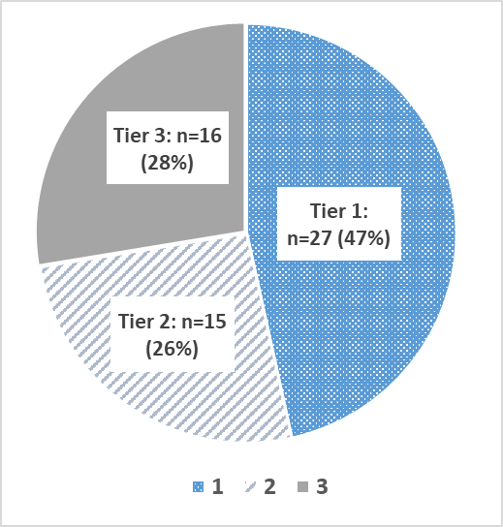

Table 2021-1b: Donation and age-adjusted transplant rates, upper confidence limits, additional organs to meet cutoffs, and resulting performance tier for each OPO, 2019

Organ Procurement Organization (OPO) | OPO Code | January 1, 2019 - December 31, 2019
 |  | Donation |  |  |  |  | Transplant |  |  |  |  |  |  | Tier5
 |  | Donation Rate | Upper limit of the one-sided 95% CI | Additional Donors Needed to Meet2: |  | Rate Category3 | Expected Rate | Observed Rate | Age-Adjusted Transplant Rate4 | Upper limit of the one-sided 95% CI | Additional Organs Needed to Meet2: |  | Rate Category3
 |  |  |  | Median: | Top 25%: |  |  |  |  |  | Median: | Top 25%:
 |  |  |  | 149 | 545 |  |  |  |  |  | 482 | 2,184

Legacy of Hope | ALOB | 10.16 | 11.41 | 0 | 7 | 2A | 36.17 | 32.19 | 32.94 | 35.17 | 0 | 61 | 2C | 2
Arkansas Regional Organ Recovery Agency | AROR | 6.42 | 7.87 | 21 | 37 | 3E | 32.24 | 21.26 | 24.41 | 27.17 | 45 | 96 | 3E | 3
Donor Network of Arizona | AZOB | 13.51 | 14.80 | 0 | 0 | 1B | 47.86 | 48.20 | 37.28 | 39.19 | 0 | 0 | 1E | 1
Donor Network West | CADN | 12.43 | 13.45 | 0 | 0 | 1B | 34.07 | 39.21 | 42.60 | 44.60 | 0 | 0 | 1C | 1
Sierra Donor Services | CAGS | 8.65 | 10.44 | 0 | 11 | 2D | 36.04 | 28.67 | 29.45 | 32.57 | 1 | 48 | 3A | 3
OneLegacy | CAOP | 9.16 | 9.84 | 16 | 103 | 3A | 34.04 | 31.18 | 33.90 | 35.25 | 0 | 170 | 2C | 3
Lifesharing | CASD | 13.37 | 15.38 | 0 | 0 | 1A | 36.59 | 46.96 | 47.50 | 51.26 | 0 | 0 | 1B | 1
Donor Alliance | CORS | 13.94 | 15.62 | 0 | 0 | 1A | 45.39 | 45.47 | 37.09 | 39.58 | 0 | 0 | 1E | 1
New England Donor Services | CTOP | 11.86 | 14.33 | 0 | 0 | 1B | 39.68 | 39.69 | 37.03 | 41.03 | 0 | 0 | 1C | 1
Washington Regional Transplant Community | DCTC | 11.13 | 12.74 | 0 | 0 | 1C | 38.67 | 41.00 | 39.25 | 42.13 | 0 | 0 | 1C | 1
OurLegacy | FLFH | 13.41 | 15.02 | 0 | 0 | 1B | 41.82 | 45.98 | 40.71 | 43.35 | 0 | 0 | 1C | 1
Life Alliance Organ Recovery Agency | FLMP | 7.47 | 8.52 | 31 | 62 | 3E | 35.46 | 26.07 | 27.21 | 29.17 | 64 | 177 | 3D | 3
LifeQuest Organ Recovery Services | FLUF | 10.42 | 11.75 | 0 | 1 | 2A | 41.70 | 32.40 | 28.76 | 30.79 | 34 | 144 | 3C | 3
LifeLink of Florida | FLWC | 11.56 | 12.76 | 0 | 0 | 1C | 32.84 | 36.44 | 41.07 | 43.47 | 0 | 0 | 1C | 1
LifeLink of Georgia | GALL | 11.63 | 12.67 | 0 | 0 | 1C | 39.33 | 36.60 | 34.45 | 36.21 | 0 | 74 | 2B | 2
Iowa Donor Network | IAOP | 9.84 | 11.67 | 0 | 1 | 2A | 35.92 | 32.44 | 33.43 | 36.66 | 0 | 17 | 2A | 2
Gift of Hope Organ & Tissue Donor Network | ILIP | 12.79 | 13.79 | 0 | 0 | 1B | 34.39 | 40.48 | 43.57 | 45.53 | 0 | 0 | 1C | 1
Indiana Donor Network | INOP | 9.01 | 10.12 | 1 | 34 | 3A | 42.72 | 32.30 | 27.99 | 29.76 | 67 | 209 | 3D | 3
Kentucky Organ Donor Affiliates | KYDA | 6.96 | 8.03 | 37 | 66 | 3E | 32.93 | 23.91 | 26.88 | 28.98 | 58 | 155 | 3D | 3
Louisiana Organ Procurement Agency | LAOP | 12.96 | 14.37 | 0 | 0 | 1B | 44.58 | 43.78 | 36.35 | 38.52 | 0 | 4 | 2A | 2
New England Donor Services | MAOB | 11.03 | 12.04 | 0 | 0 | 1D | 35.91 | 35.20 | 36.28 | 38.15 | 0 | 15 | 2A | 2
The Living Legacy Foundation of Maryland | MDPC | 13.14 | 14.90 | 0 | 0 | 1B | 42.29 | 41.40 | 36.24 | 38.96 | 0 | 0 | 1E | 1
Gift of Life Michigan | MIOP | 10.70 | 11.69 | 0 | 3 | 2A | 33.31 | 35.67 | 39.64 | 41.64 | 0 | 0 | 1C | 2
LifeSource Upper Midwest Organ Procurement Organization | MNOP | 11.07 | 12.38 | 0 | 0 | 1D | 37.36 | 35.61 | 35.28 | 37.58 | 0 | 20 | 2A | 2
Mid-America Transplant | MOMA | 15.86 | 17.45 | 0 | 0 | 1A | 38.02 | 48.21 | 46.94 | 49.70 | 0 | 0 | 1B | 1
Mississippi Organ Recovery Agency | MSOP | 7.08 | 8.57 | 15 | 31 | 3E | 33.02 | 22.71 | 25.46 | 28.22 | 38 | 91 | 3E | 3
Midwest Transplant Network | MWOB | 17.83 | 19.54 | 0 | 0 | 1A | 40.57 | 61.96 | 56.54 | 59.58 | 0 | 0 | 1A | 1
LifeShare Carolinas | NCCM | 13.47 | 15.59 | 0 | 0 | 1A | 42.16 | 49.46 | 43.43 | 46.94 | 0 | 0 | 1B | 1
HonorBridge | NCNC | 10.66 | 11.77 | 0 | 1 | 2A | 35.68 | 34.84 | 36.15 | 38.22 | 0 | 11 | 2A | 2
Live On Nebraska | NEOR | 13.00 | 15.78 | 0 | 0 | 1A | 34.25 | 44.60 | 48.20 | 53.51 | 0 | 0 | 1A | 1
NJ Sharing Network | NJTO | 10.75 | 12.05 | 0 | 0 | 1D | 33.30 | 34.05 | 37.85 | 40.38 | 0 | 0 | 1D | 1
New Mexico Donor Services | NMOP | 9.51 | 11.78 | 0 | 0 | 1E | 41.82 | 27.50 | 24.35 | 27.50 | 33 | 71 | 3E | 3
Nevada Donor Network | NVLV | 15.86 | 17.94 | 0 | 0 | 1A | 35.82 | 49.85 | 51.51 | 55.35 | 0 | 0 | 1A | 1
Center for Donation & Transplant | NYAP | 11.24 | 13.57 | 0 | 0 | 1B | 30.22 | 33.87 | 41.49 | 46.19 | 0 | 0 | 1B | 1
Finger Lakes Donor Recovery Network | NYFL | 8.79 | 10.84 | 0 | 6 | 2C | 35.17 | 28.76 | 30.27 | 33.86 | 0 | 30 | 2E | 2
LiveOnNY | NYRT | 9.08 | 9.92 | 7 | 63 | 3A | 30.63 | 27.63 | 33.39 | 35.16 | 0 | 100 | 2C | 3
ConnectLife | NYWN | 7.11 | 9.54 | 3 | 9 | 3B | 31.68 | 18.12 | 21.17 | 25.09 | 26 | 47 | 3E | 3
Lifebanc | OHLB | 9.51 | 10.90 | 0 | 12 | 2B | 39.73 | 31.60 | 29.44 | 31.71 | 14 | 105 | 3B | 3
Life Connection of Ohio | OHLC | 11.95 | 14.07 | 0 | 0 | 1B | 41.78 | 40.52 | 35.90 | 39.24 | 0 | 0 | 1E | 1
Lifeline of Ohio | OHLP | 10.60 | 12.13 | 0 | 0 | 1D | 38.36 | 33.02 | 31.87 | 34.40 | 0 | 56 | 2D | 2
LifeCenter Organ Donor Network | OHOV | 10.91 | 13.12 | 0 | 0 | 1C | 46.31 | 36.28 | 29.00 | 32.05 | 5 | 54 | 3A | 3
LifeShare of Oklahoma | OKOP | 11.13 | 12.56 | 0 | 0 | 1C | 35.93 | 33.97 | 35.00 | 37.53 | 0 | 17 | 2A | 2
Pacific Northwest Transplant Bank | ORUO | 9.66 | 11.08 | 0 | 10 | 2B | 29.96 | 31.64 | 39.10 | 42.16 | 0 | 0 | 1C | 2
Gift of Life Donor Program | PADV | 17.14 | 18.24 | 0 | 0 | 1A | 39.38 | 54.91 | 51.61 | 53.57 | 0 | 0 | 1A | 1
Center for Organ Recovery & Education | PATF | 11.52 | 12.76 | 0 | 0 | 1C | 32.02 | 36.42 | 42.11 | 44.65 | 0 | 0 | 1C | 1
...

2022 Assessment
...
Table 2022-1a: Performance cutoff values for donation and transplant rates by year, 2020

Nation | January 1, 2020 - December 31, 2020
 | Donation |  |  |  | Transplant |  |  | Kidney Transplant
Observed Rate | 11.42 |  |  |  | 36.52 |  |  | 18.40
Top 25%1 | 12.96 |  |  |  | 41.07 |  |  | 20.44
Median1 | 11.10 |  |  |  | 36.26 |  |  | 17.81

 |  |  | Figure 2022-1: Distribution of tier status3 for all OPOs in the nation, 2020
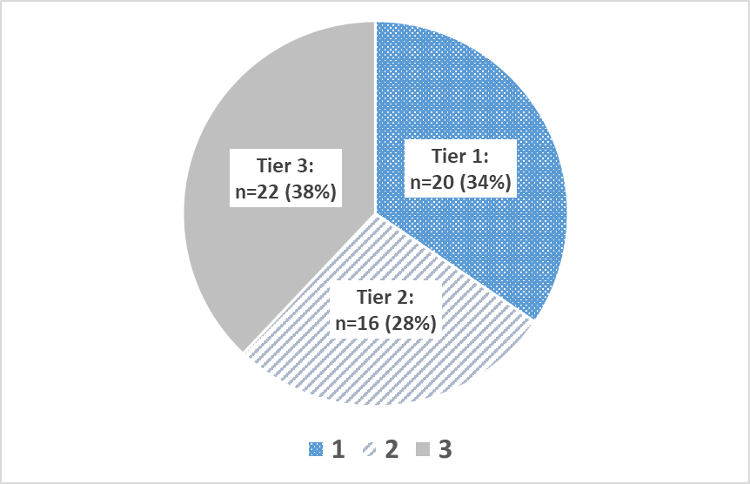

Table 2022-1b: Donation and age-adjusted transplant rates, upper confidence limits, additional organs to meet cutoffs, and resulting performance tier for each OPO, 2020

Organ Procurement Organization (OPO) | OPO Code | January 1, 2020 - December 31, 2020
 |  | Donation |  |  |  |  | Transplant |  |  |  |  |  |  | Tier5
 |  | Donation Rate | Upper limit of the one-sided 95% CI | Additional Donors Needed to Meet2: |  | Rate Category3 | Expected Rate | Observed Rate | Age-Adjusted Transplant Rate4 | Upper limit of the one-sided 95% CI | Additional Organs Needed to Meet2: |  | Rate Category3
 |  |  |  | Median: | Top 25%: |  |  |  |  |  | Median: | Top 25%:
 |  |  |  | 425 | 1,166 |  |  |  |  |  | 1,687 | 4,296

Legacy of Hope | ALOB | 10.23 | 11.50 | 0 | 26 | 2D | 33.67 | 32.65 | 35.42 | 37.82 | 0 | 53 | 2C | 2
Arkansas Regional Organ Recovery Agency | AROR | 6.11 | 7.51 | 35 | 53 | 3E | 32.01 | 21.14 | 24.12 | 26.81 | 82 | 123 | 3E | 3
...

2023 Assessment
...
Table 2023-1a: Performance cutoff values for donation and transplant rates by year, 2021

Nation | January 1, 2021 - December 31, 2021
 | Donation |  |  |  | Transplant |  |  | Kidney Transplant
Observed Rate | 11.38 |  |  |  | 35.71 |  |  | 18.05
Top 25%1 | 13.06 |  |  |  | 42.01 |  |  | 20.98
Median1 | 11.24 |  |  |  | 35.95 |  |  | 18.33

 |  |  | Figure 2023-1: Distribution of tier status5 for all OPOs in the nation, 2021
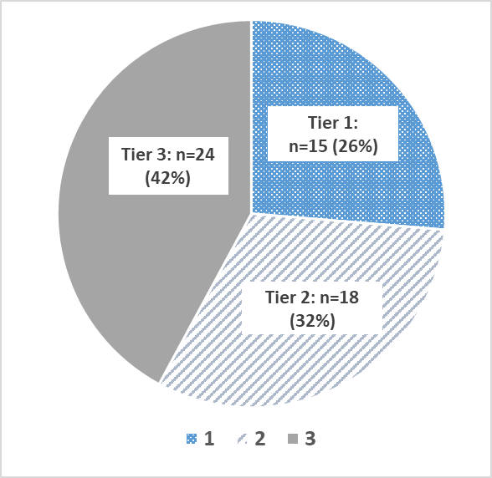

Table 2023-1b: Donation and age-adjusted transplant rates, upper confidence limits, additional organs to meet cutoffs, and resulting performance tier for each OPO, 2021

Organ Procurement Organization (OPO) | OPO Code | January 1, 2021 - December 31, 2021
 |  | Donation |  |  |  |  | Transplant |  |  |  |  |  |  | Tier5
 |  | Donation Rate | Upper limit of the one-sided 95% CI | Additional Donors Needed to Meet2: |  | Rate Category3 | Expected Rate | Observed Rate | Age-Adjusted Transplant Rate4 | Upper limit of the one-sided 95% CI | Additional Organs Needed to Meet2: |  | Rate Category3
 |  |  |  | Median: | Top 25%: |  |  |  |  |  | Median: | Top 25%:
 |  |  |  | 345 | 1,345 |  |  |  |  |  | 1,949 | 6,041

Legacy of Hope | ALOB | 11.07 | 12.33 | 0 | 14 | 2B | 33.44 | 34.15 | 36.46 | 38.80 | 0 | 57 | 2B | 2
Arkansas Regional Organ Recovery Agency | AROR | 9.32 | 10.92 | 4 | 22 | 3B | 36.31 | 29.15 | 28.67 | 31.32 | 49 | 114 | 3E | 3
...

2024 Assessment
...
Table 2024-1a: Performance cutoff values for donation and transplant rates by year, 2022

Nation | January 1, 2022 - December 31, 2022
 | Donation |  |  |  | Transplant |  |  | Kidney Transplant
Observed Rate | 12.38 |  |  |  | 38.43 |  |  | 19.33
Top 25%1 | 13.32 |  |  |  | 42.14 |  |  | 21.61
Median1 | 11.18 |  |  |  | 34.93 |  |  | 17.87

 |  |  | Figure 2024-1: Distribution of tier status5 for all OPOs in the nation, 2022
 | 25
 | 20
 | 12

Table 2024-1b: Donation and age-adjusted transplant rates, upper confidence limits, additional organs to meet cutoffs, and resulting performance tier for each OPO, 2022

Organ Procurement Organization (OPO) | OPO Code | January 1, 2022 - December 31, 2022
 |  | Donation |  |  |  |  | Transplant |  |  |  |  |  |  | Tier5
 |  | Donation Rate | Upper limit of the one-sided 95% CI | Additional Donors Needed to Meet2: |  | Rate Category3 | Expected Rate | Observed Rate | Age-Adjusted Transplant Rate4 | Upper limit of the one-sided 95% CI | Additional Organs Needed to Meet2: |  | Rate Category3
 |  |  |  | Median: | Top 25%: |  |  |  |  |  | Median: | Top 25%:
 |  |  |  | 92 | 790 |  |  |  |  |  | 818 | 4,080

Legacy of Hope | ALOB | 12.82 | 14.17 | 0 | 0 | 1D | 37.00 | 38.03 | 39.50 | 41.93 | 0 | 4 | 2A | 2
Arkansas Regional Organ Recovery Agency | AROR | 12.51 | 14.39 | 0 | 0 | 1D | 34.42 | 34.53 | 38.56 | 41.98 | 0 | 2 | 2A | 2
...

2025 Assessment
...
Table 2025-1a: Performance cutoff values for donation and transplant rates by year, 2023

Nation | January 1, 2023 - December 31, 2023
 | Donation |  |  |  | Transplant |  |  | Kidney Transplant
Observed Rate | 14.12 |  |  |  | 43.99 |  |  | 21.53
Top 25%1 | 14.11 |  |  |  | 45.67 |  |  | 21.70
Median1 | 12.49 |  |  |  | 38.56 |  |  | 19.44

Figures 2025-1a - 2025-1e: Distribution of tier status5 for all OPOs in the nation, 2019-2023
2019
 | 27
 | 15
 | 16
2020
 | 20
 | 16
 | 22
2021
 | 15
 | 18
 | 24
2022 rev.
 | 25
 | 20
 | 12
2023
 | 30
 | 16
 | 10

Table 2025-1b: Donation and age-adjusted transplant rates, upper confidence limits, additional organs to meet cutoffs, and resulting performance tier for each OPO, 2023

Organ Procurement Organization (OPO) | OPO Code | January 1, 2023 - December 31, 2023
 |  | Donation |  |  |  |  | Transplant |  |  |  |  |  |  | Tier5
 |  | Donation Rate | Upper limit of the one-sided 95% CI | Additional Donors Needed to Meet2: |  | Rate Category3 | Expected Rate | Observed Rate | Age-Adjusted Transplant Rate4 | Upper limit of the one-sided 95% CI | Additional Organs Needed to Meet2: |  | Rate Category3
 |  |  |  | Median: | Top 25%: |  |  |  |  |  | Median: | Top 25%: |  | 2019 | 2020 | 2021 | 2022 | 2023
 |  |  |  | 171 | 493 |  |  |  |  |  | 817 | 3,020

Legacy of Hope | ALOB | 15.17 | 16.64 | 0 | 0 | 1C | 45.26 | 47.56 | 46.22 | 48.82 | 0 | 0 | 1C | 2 | 2 | 2 | 2 | 1
Arkansas Regional Organ Recovery Agency | AROR | 12.52 | 14.39 | 0 | 0 | 1D | 43.30 | 34.71 | 35.27 | 38.36 | 2 | 71 | 3A | 3 | 3 | 3 | 2 | 3
...

